9-13.Quality Attributes
9.Chemical Standard
Test Item |  | EU MRL standard | Contry of Origin MRL Standard | Test Frequency
Lead |  | <0.20mg/kg | ≤0.19mg/kg (GB 5009.12-2017) | twice a year
10.Acrylamide
Are Products at risk of acrylamide? |  |  |  |  | No
If Yes. What mitigation measures are in place to manage acrylamide levels with the food? |  |  |  |  | N/A
11.Radioactivity | *occurs naturally in all food and can be transferred into food in different ways eg crops from soil, drinking water from the earth, Fish and Shellfish from the water or Sea floor.
Has the product/ingredient been irradiated? |  |  |  |  | No
Is the product/ingredient subject to potential radioactive cross contamination? |  |  |  |  | No
If yes, what controls in place |  |  |  |  | N/A
Has the product/ingredient been imported into the UK from a country that has high levels of radioactivity? |  |  |  |  | No
If Yes, how is this controlled and what checks are carried out? |  |  |  |  | N/A
12.Microbiology Standards | *Please insert GB standard
Micro-organisms | Type | EU Standard | Country of Origin Government Standard | Manufacturer Own Standard | Test Frequency
TVC | Quality Indicator | <104 | <106 | <106 | Every shipment
Coliforms | Hygiene indicator | ─ | <100 | <100 | Every shipment
Escherichia coli | Hygiene indicator | <20 | N/A | N/A | N/A
Enterobacteriaceae | Hygiene indicator | <100 | N/A | N/A | N/A
Listeria spp | Hygiene indicator | Not Detected | N/A | N/A | N/A
Listeria monocytogenes | Pathogens | Not Detected | N/A | N/A | N/A
Campylobacter spp. | Pathogens | Not Detected | N/A | N/A | N/A
Escherichia coli O157 | Pathogens | Not Detected | N/A | N/A | N/A
Salmonella spp. | Pathogens | Not Detected | Not Detected | Not Detected | Twice a year
Shigella spp. | Pathogens | Not Detected | N/A | N/A | N/A
Vibrio cholera (O1 and O139) | Pathogens | Not Detected | N/A | N/A | N/A
Vibrio parahaemolyticus | Pathogens | <20 | N/A | N/A | N/A
Bacillus cereus | Pathogens | <103 | N/A | N/A | N/A
Bacillus spp. | Pathogens | <103 | N/A | N/A | N/A
Clostridium perfringens | Pathogens | <10 | N/A | N/A | N/A
Staphylococcus aureus and other coagulase-positive staphylococci | Pathogens | <20 | <10 | <10 | Every shipment
13.Acceptance and Rejection standard
Standard Product Photo & Description |  |  | Rejected Product Photo& Description
IE. Grading, Sizing, Appearance, Flavor/taste, Texture, Colour, smell |  |  | IE. Grading, Sizing, Appearance, Flavor/taste, Texture, Colour, smell
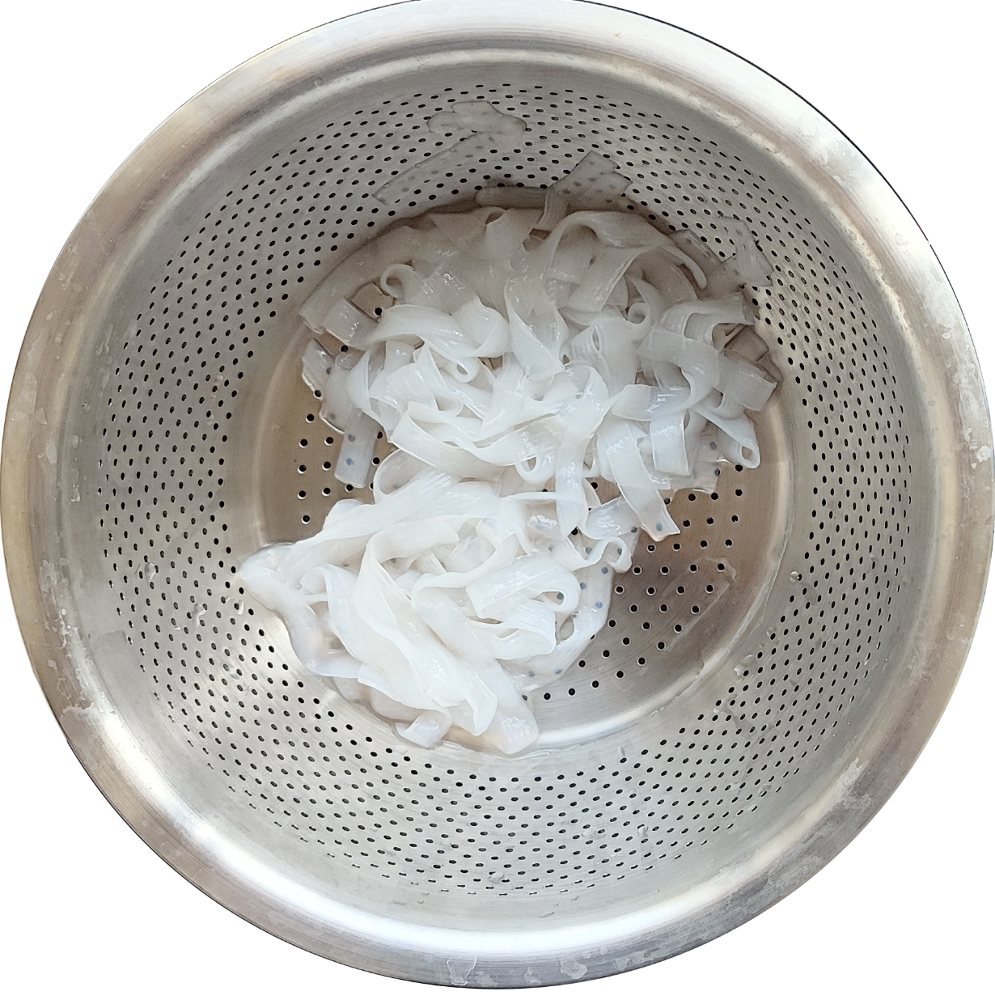 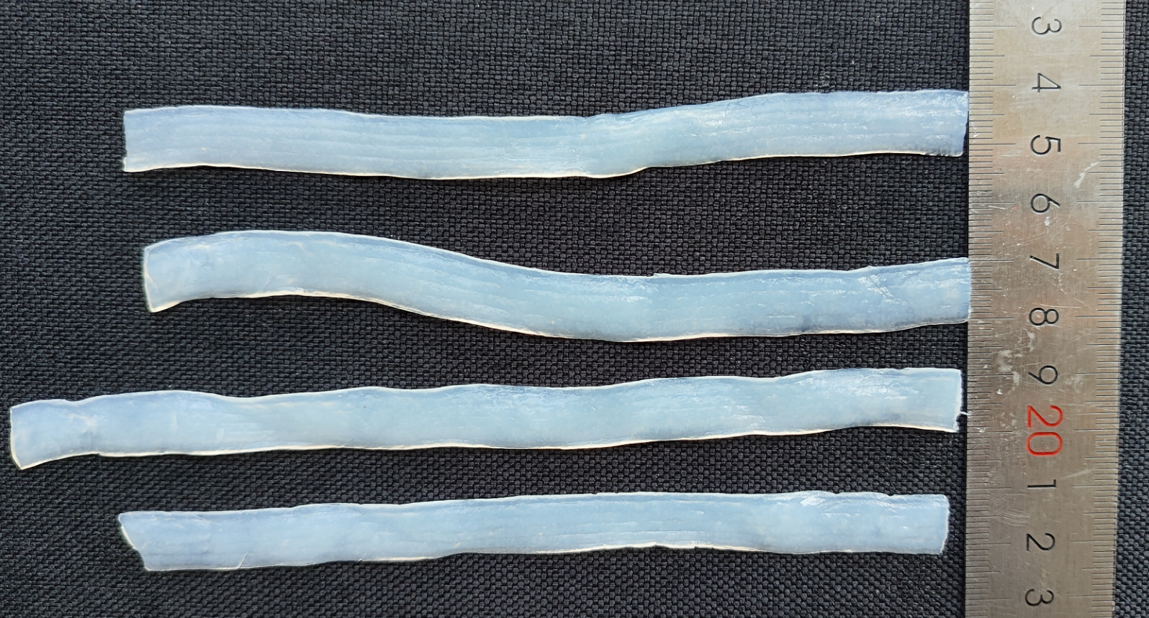 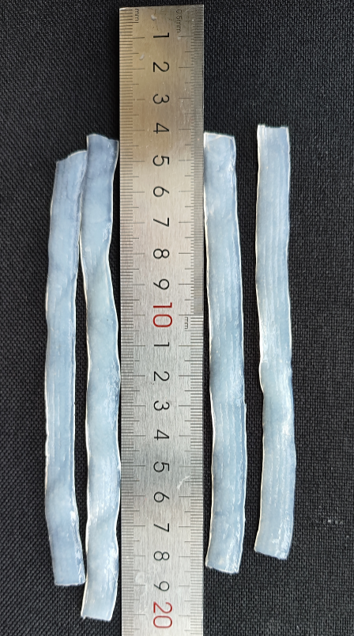 Color: White or light yellow, with a few black or brownish-yellow spots on the surface as the taro skin Flavor/Aroma: Soft in texture with a slight chewiness, with stripes on the surface Solid content: ≥ 200 grams Net content: ≥ 270 grams Noodle thickness: Approximately 1mm Noodle width: Approximately 10-12mm Noodle length: Approximately 10-20CM |  |  | 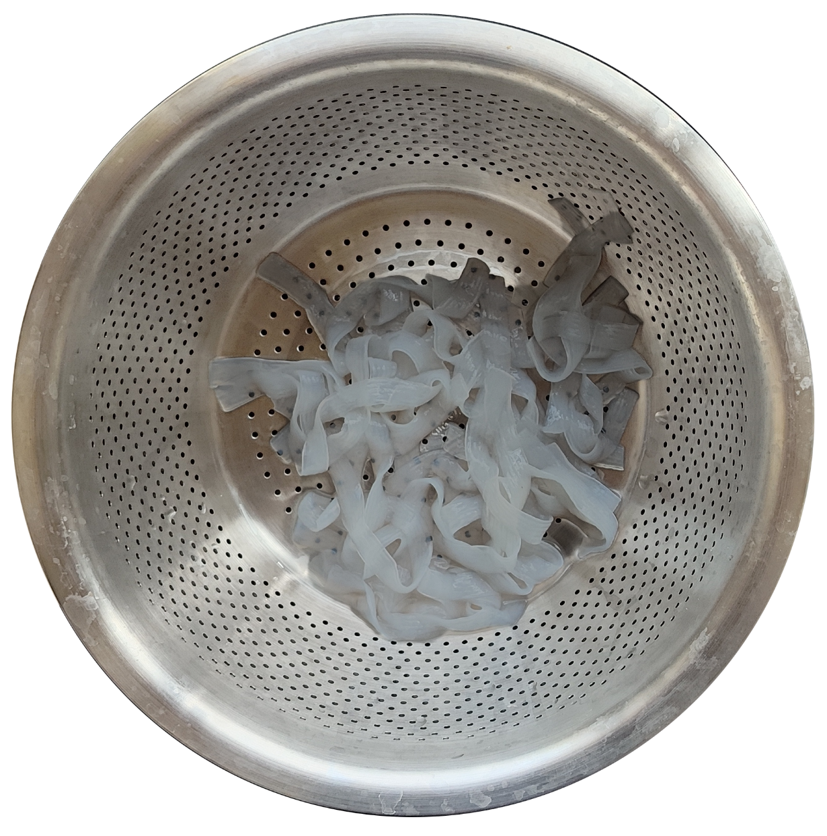 Color: Light gray or yellow Flavor/Aroma: No chewiness in the texture, no stripes on the surface Solid content: Less than 200 grams Net content: Less than 270 grams Noodle thickness: Less than 1mm in size Noodle width: Does not conform to the overall size of 10-12mm Noodle length: Does not conform to the overall size of 10-20CM |  |  | 此处修改了固形物含量标准

17-20.HACCP,Artwork&SpecAuthor.
17.Process Flow Chart- (showing all CCPs)
Please provide in the form a Critical Control Point (CCP), a description of the process/packing operations including processing times tempuratures where applicable and in process Safery Control Checks (CCP Summary) and Quality Checks.

18.Critical Control Points
CCP | Control Measure |  | Critical Limit | Monitoring Frequency
CCP1 Raw material received | GB/T10184 |  | GB/T10184 | Each batch
CCP2 Packing | pH Sealing machine |  | PH：4.0～7.0 | Every hour
CCP2 Sterilization | Temperature |  | in 110-120℃, 30mins | Each batch
CCP3 metal detector | Metal detector |  | Fe1.5mm, SUS3.0mm,NON-Feφ4.0㎜(≥ this range is detected) | 30mins
19.Artwork
Inner Label / Package Design artwork |  | Outer Label / Package Design artwork
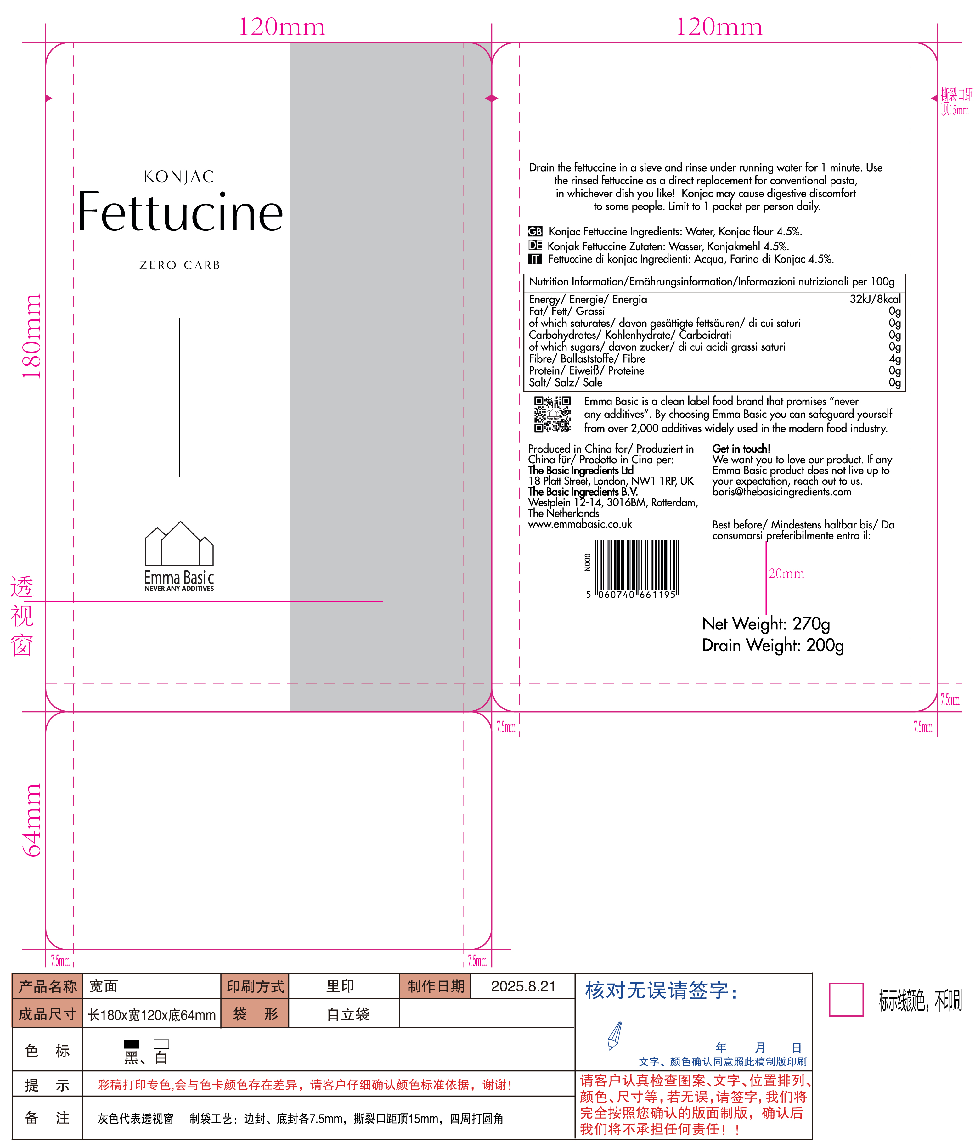 |  | 

20.Packaging Photos
Finished Product with Primary package | Outer Case (Secondary) |  |  | Tertiary
 |  |  |  | N/A
Specification Authorization
1.Product to be supplied in accordance with this agreed specification. No changes are to be made without prior knowledge and prior written agreement of The Basic Ingredients Ltd. 2.The contents of this specification are confidential and should not be disclosed to a third party without a written approval of The Basic Ingredients Ltd. 3. Product must be fit for purpose of the nature and substance stated in this specification and free from foreign body. 4. The raw materials used in this product fulfil the requirements described in the Regulation 1881/2006/EC related to contaminants in foodstuffs, the Regulation 396/2005/EC related to pesticides in foodstuffs, and their amendments. 5. The product has not been treated with ionising radiation and does not contain any irradiated ingredients- Regulated under Directive 1999/2/EC and Directive 1999/3/EC. 6. This product does not contain ingredients that contain GMO or consist of GMO or were produced from GMO - Regulated under Regulation (EC) No 1829/2003, Regulation (EC) No 1830/2003, and their amendments. 7. Products to be delivered using suitable transport in the stated conditions (i.e. ambient, chilled, frozen). 8. The information on this specification can be used without reservation to advise customers with food allergies, intolerances or aversions, especially those who may die from an anaphylactic reaction to traces of ingredients. 9. All materials intended to come into contact with foods complies with European regulations: Regulation (EC) No. 1935/2004, Regulation (EC) No. 2023/2006, Regulation (EU) No. 10/2011, Directives 82/711/EEC, 85/572/EEC, 2002/72/EEC (and the relevant amendments).
Manufacture Name | SHANDONG HEARUN DIETARY HALL CO.,LTD
Signature | 林银银
Print Name
Position in Company | Director of Quality Control Project Department
Date | 2025-06-23

The Basic ingredients team use only
Signature
Print Name
Position in Company
Date

